Sheet1
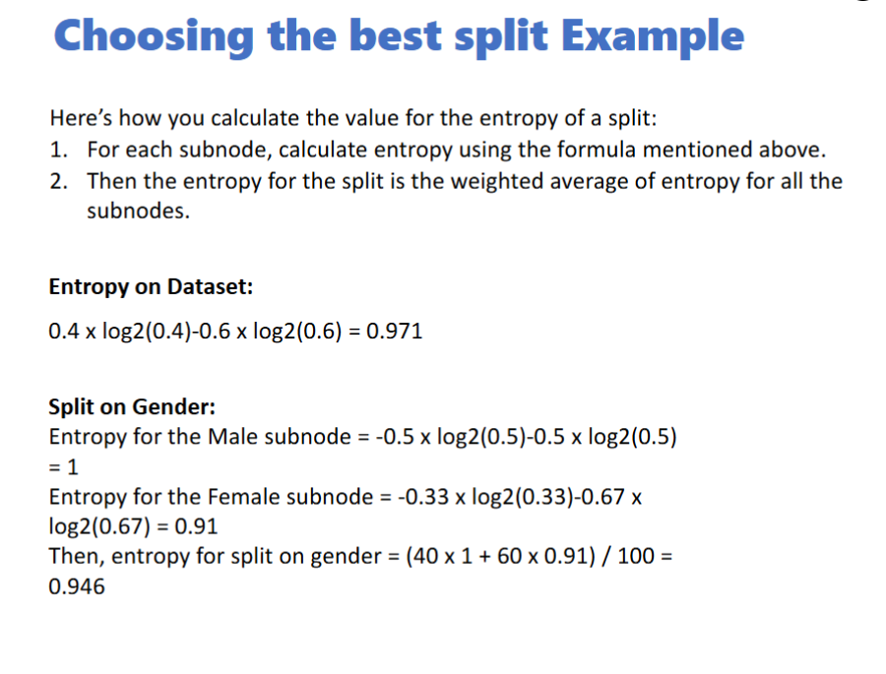
1 | by age

0.971 | Total

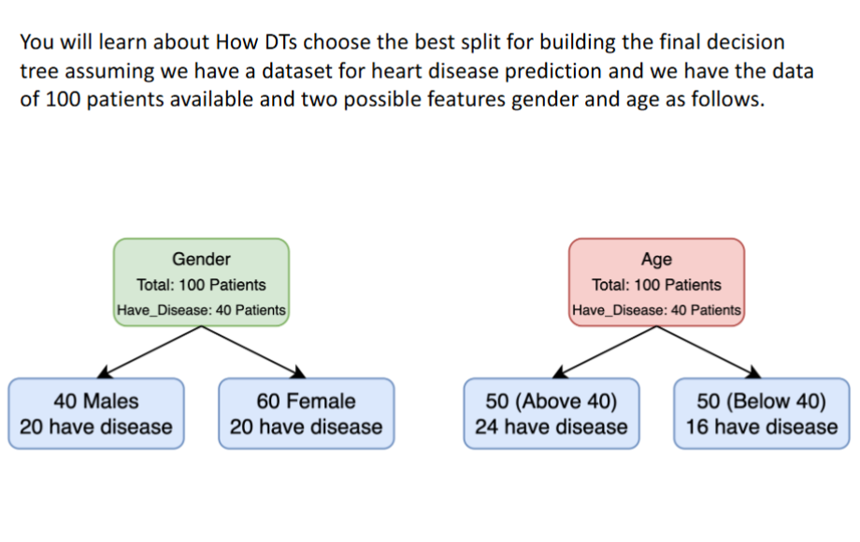
Split on Gender
1 | Male
0.91 | Female
0.946 | Combined
 |  |  |  | Not Have | 60
 |  |  |  | Have | 40

Split on Age
0.999 | Above 40
0.904 | Below 40

0.952 | Combined | 0.48 | 16/50
 |  | 0.52 | 34/50

Information Gain (Entropy Change) with Age
0.019

Information Gain (Entropy Change) with Gender
0.025

0.025 | Gender

 | Stick with gender!

Gini Impurity

0.48 | Total
0.464 | Gender
0.4672 | Age

0.016
0.013

